Sites Assessment
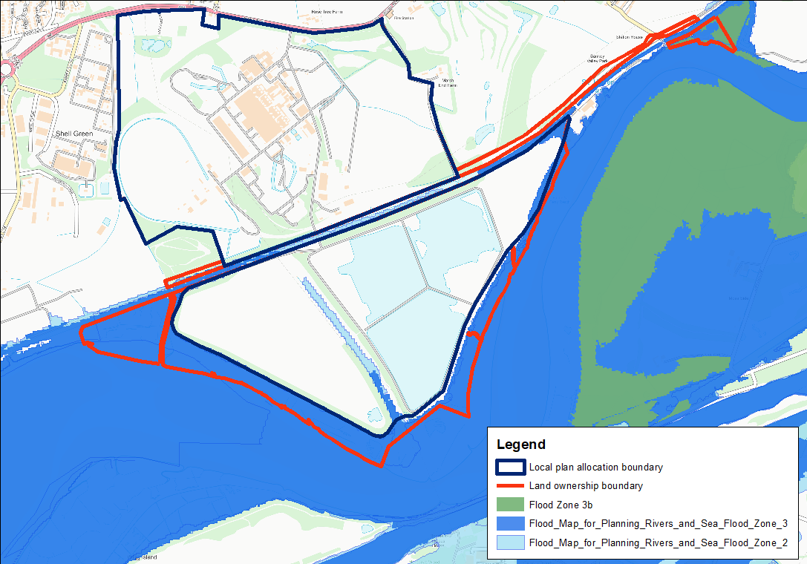
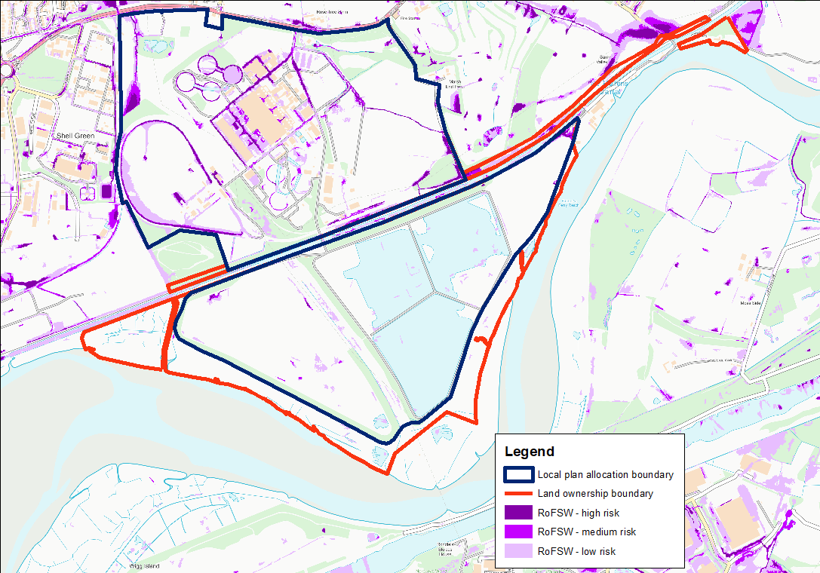


 |  |  |  | Summary Table
Warrington Borough Council
Level 1 SFRA Sites Screening Assessment |  |  |  | Fluvial Flood Zone Coverage |  |  |  |  |  |  |  | Risk of Flooding from Surface Water
2021-06-10 |  |  |  | Flood Zone 1 |  | Flood Zone 2 |  | Flood Zone 3a |  | Flood Zone 3b |  | Low Risk (1 in 1000 year outline) |  | Medium Risk (1 in 100 year outline) |  | High Risk (1 in 30 year outline)
 | Proposed Use | Number of Sites | Area (ha) | Area (ha) | No. 100% | Area (ha) | No. | Area (ha) | No. | Area (ha) | No. | Area (ha) | No. | Area (ha) | No. | Area (ha) | No.
 | Mixed use | 2 | 329.83 | 324.67 | 0 | 2.39 | 2 | 2.77 | 1 | 0.00 | 0 | 26.89 | 2 | 8.63 | 2 | 4.44 | 2
 | TOTAL | 2 | 329.83 | 324.67 | 0 | 2.39 | 2 | 2.77 | 1 | 0.00 | 0 | 26.89 | 2 | 8.63 | 2 | 4.44 | 2

Key
Flood Zone 3b | The colour coding shows the highest risk element of the flood zone that is present on site and is not in itself an indication of whether the site should or shouldn’t be developed for flooding reason
Flood Zone 3a
Flood Zone 2 |  |  |  | Main Table
Flood Zone 1 + Surface Water
Flood Zone 1 |  |  |  | Fluvial Flood Zone Coverage |  |  |  |  |  |  |  | Risk of Flooding from Surface Water
 |  |  |  | Flood Zone 1 |  | Flood Zone 2 |  | Flood Zone 3a |  | Flood Zone 3b |  | Low Risk (1 in 1000 year outline) |  | Medium Risk (1 in 100 year outline) |  | High Risk (1 in 30 year outline)
Site Reference | Site Name | Proposed Use | Area (ha) | Area (ha) | % | Area (ha) | % | Area (ha) | % | Area (ha) | % | Area (ha) | % | Area (ha) | % | Area (ha) | % | Significant Surface Water Risk? | Flood Risk Vulnerability Classification (NPPF) | Level 1 Strategic Recommendation (see SFRA Report) | Development Considerations | Council Comments
FFN | Fiddlers Ferry North | Mixed use | 163.57 | 163.47 | 99.94 | 0.10 | 0.06 | 0.00 | 0.00 | 0.00 | 0.00 | 23.88 | 14.60 | 8.10 | 4.95 | 4.43 | 2.71 | No | More vulnerable | Strategic Recommendation D | FRA required. Surface water risk will require detailed investigation through drainage strategy | Agree
FFS | Fiddlers Ferry South | Mixed use | 166.27 | 161.21 | 96.96 | 2.29 | 1.38 | 2.77 | 1.67 | 0.00 | 0.00 | 3.01 | 1.81 | 0.53 | 0.32 | 0.01 | 0.00 | No | More vulnerable | Strategic Recommendation C | Careful consideration of flood risk from FZ3a. This area appears to be a significant flowpath and should be maintained as such | Agree

